Wind onshore
Source: | https://data.open-power-system-data.org/time_series/
 | https://data.open-power-system-data.org/time_series/2018-06-30/time_series_60min_singleindex.csv

Average installed DE wind onshore capacity 2015 |  |  | 38.511 | GW

Assuming each Bundelsland installs the same amount of wind power in 2015 to calculate average installed wind capacity per Bundelands
Then I calculate the installed coastal wind capacity.

Date |  | 31.12.2015 | 2015 |  | 2015 | 2015
Bundesland | Has coast? | Installed cap | Average cap | % coastal | Installed coastal | Installed inland
Baden-Württemberg | No | 1.2 | 1.0 |  |  | 0.986
Bayern | No | 2.1 | 1.8 |  |  | 1.797
Berlin | No | 0.0 | 0.0 |  |  | 0.011
Brandenburg | No | 6.3 | 5.4 |  |  | 5.393
Bremen | No | 0.2 | 0.1 |  |  | 0.141
Hamburg | No | 0.1 | 0.1 |  |  | 0.054
Hessen | No | 1.5 | 1.2 |  |  | 1.243
Mecklenburg-Vorpommern | Yes | 3.0 | 2.5 | 28.7% | 0.727 | 1.810
Niedersachsen | Yes | 9.2 | 7.8 | 16.2% | 1.268 | 6.558
Nordrhein-Westfalen | No | 4.6 | 3.9 |  |  | 3.944
Rheinland-Pfalz | No | 3.2 | 2.7 |  |  | 2.707
Saarland | No | 0.3 | 0.3 |  |  | 0.267
Sachsen | No | 1.2 | 1.0 |  |  | 1.002
Sachsen-Anhalt | No | 4.9 | 4.1 |  |  | 4.141
Schleswig-Holstein | Yes | 6.2 | 5.3 | 31.8% | 1.677 | 3.602
Thüringen | No | 1.4 | 1.2 |  |  | 1.184
Total |  | 45.2 | 38.511 |  | 3.672 | 34.839

Other sources
http://www.renewable-energy-concepts.com/german/windenergie/windkarte-deutschland/windkarte-niedersachsen.html

http://de.wikipedia.org/wiki/Liste_von_Windkraftanlagen_in_Bremen,_Hamburg_und_Niedersachsen

Source: http://www.thewindpower.net/country_en_2_germany.php

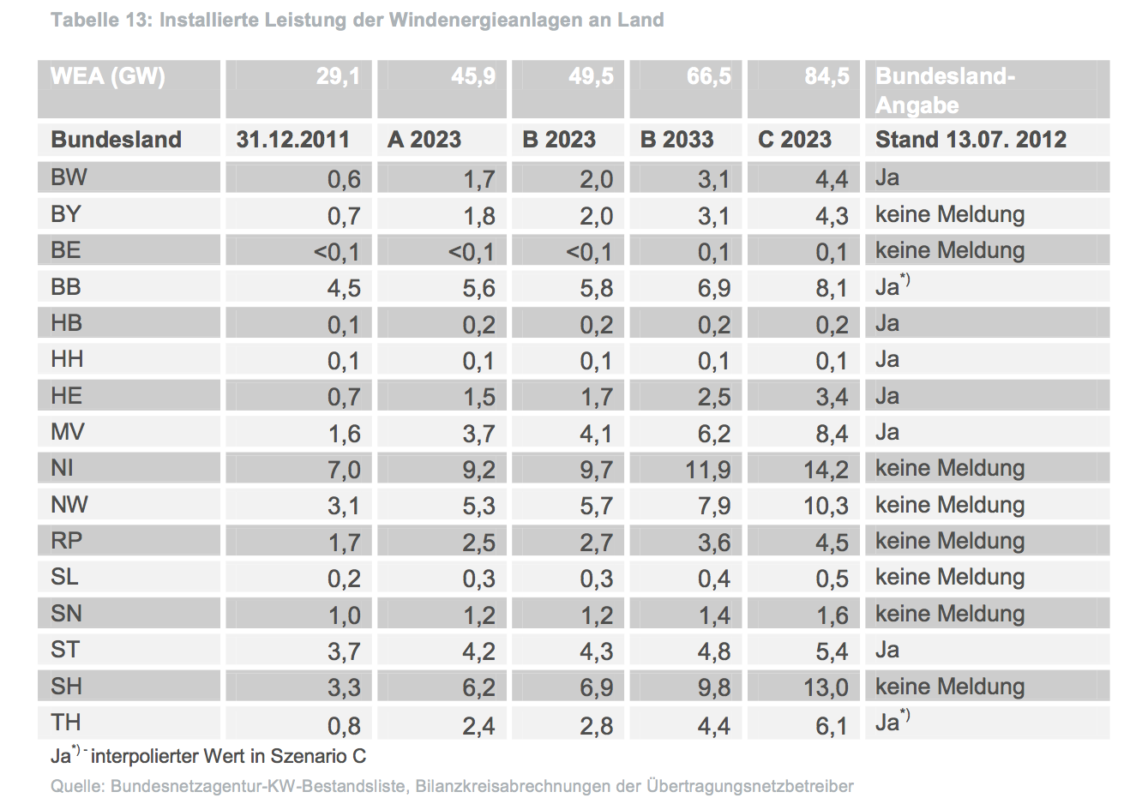
 | SZENARIORAHMEN FÜR DEN NETZENTWICK- LUNGSPLAN STROM 2013 - ENTWURF
 | szenariorahmen für den netzentwick- lungsplan strom 2013 - entwurf
Source: SZENARIORAHMEN FÜR DEN NETZENTWICK- LUNGSPLAN STROM 2013 - ENTWURF
File: | ÜNB_201207_Szenariorahmen für den Netzentwicklungsplan Strom 2013 - Entwurf.pdf
Website: | http://www.netzentwicklungsplan.de/
By: | Übertragungsnetzbetreiber |  |  |  |  |  | (=TSO's)
Page: | 15

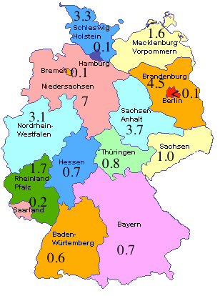

 | Source image: http://joycep.myweb.port.ac.uk/abinitio/chap2-12.html

